Final view - KPI
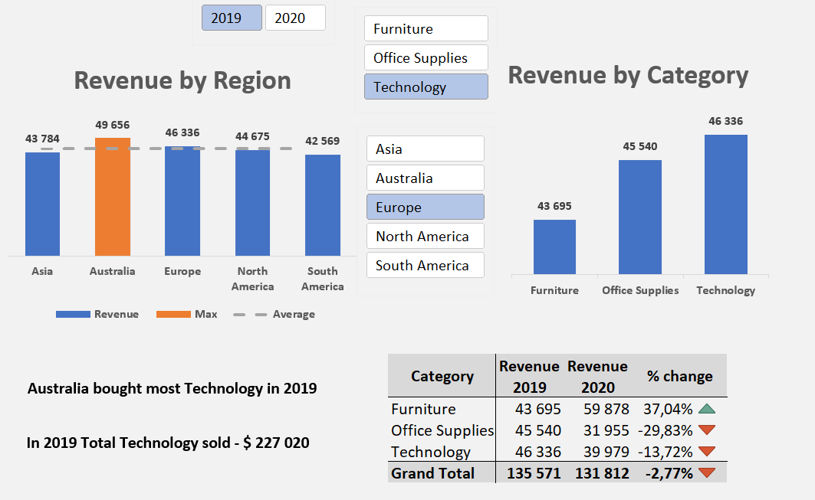

Nümunə

Dashboard
Satış Hesabatı

Region üzrə Satış
 | Revenue | Max | Average
Asia | 211,293 | 0 | 224,446
Australia | 174,663 | 0 | 224,446
Europe | 267,383 | 267383 | 224,446
North America | 249,429 | 0 | 224,446
South America | 219,464 | 0 | 224,446
Kateqoriya üzrə Satış
 | Total
Furniture | 372900
Office Supplies | 322418
Technology | 426914

 | 2019 | 2020
Category | Revenue | Revenue | Change %
Furniture | 185783 | 187117 | 0.72% | 0.72%
Office Supplies | 162644 | 159774 | -1.76% | -1.76%
Technology | 227020 | 199894 | -11.95% | -11.95%
Grand Total | 575447 | 546785 | -4.98% | -4.98%

